metadados
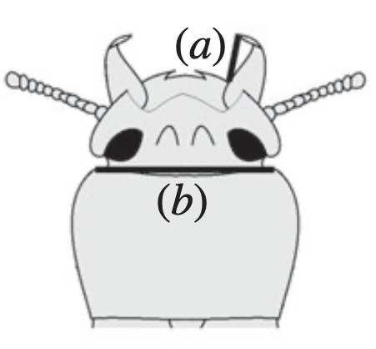
Fonte: | Matsumura et al. (2020, BiolLett): | https://doi.org/10.1098/rsbl.2020.0601

Prothorax width (b) | Measured to the nearest 0.01 mm using a dissecting microscope (VM-60; Olympus, Japan)
Mandible length (a) | Measured to the nearest 0.01 mm using a dissecting microscope (VM-60; Olympus, Japan)
Residual mandible length | We also used the residual mandible length for the analysis after regressing mandible length on prothorax width
Duration of thanatosis | We observed the frequency and duration of tonic immobility in the male G. cornutus according to the method of Miyatake et al.

